Sheet1
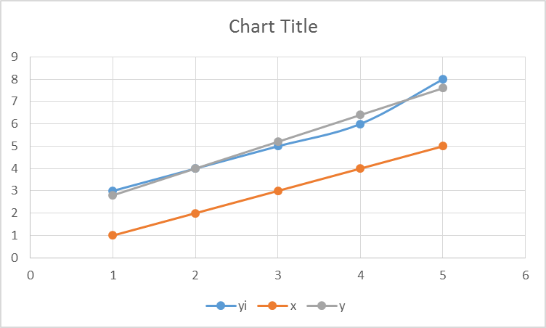
 |  |  |  |  |  |  | Fitting linear equation

 |  |  |  |  |  |  | y=a+bx=f(x)

 | xi | yi | xi^2 | xiyi | b | a |  | x | y
 | 1 | 3 | 1 | 3 | 1.2 | 1.6 |  | 1 | 2.8
 | 2 | 4 | 4 | 8 |  |  |  | 2 | 4
 | 3 | 5 | 9 | 15 |  |  |  | 3 | 5.2
 | 4 | 6 | 16 | 24 |  |  |  | 4 | 6.4
 | 5 | 8 | 25 | 40 |  |  |  | 5 | 7.6
summation | 15 | 26 | 55 | 90 |  |  |  | 6 | 8.8
 |  |  |  |  |  |  |  | 7 | 10
 |  |  |  |  |  |  |  | 8 | 11.2
 |  |  |  |  |  |  |  | 9 | 12.4

